4.1
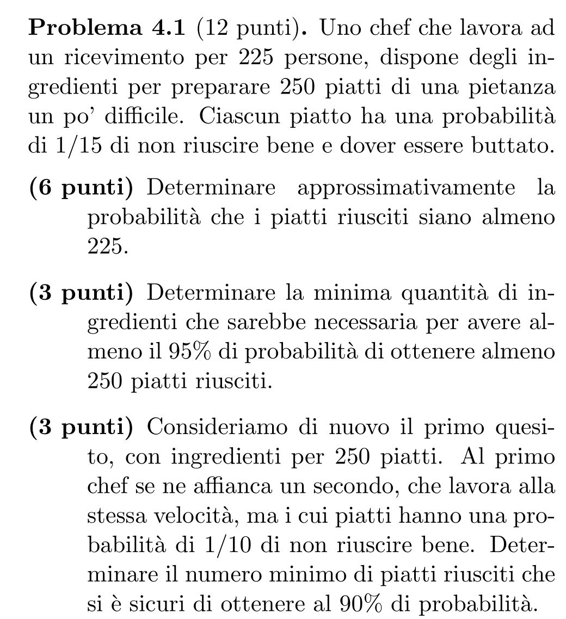
225 | k
250 | n
0.93333333333 | p
233.33333333 | avg
3.9440531887 | stdev | 15.555555556

0.98307722625 | P(X≥k) (binomial)
0.98744345808 | P(X≥k) (Gaussian)
0.98269472124 | no cc

-2.239658775 | argument
0.012556541923

95% | min prob
1.644853627 | q

n | P(n) (bin) | P(n) (Gauss)
274 | 0.9295973917 | 0.93443186504
275 | 0.95302263365 | 0.95840943456
276 | 0.96954043245 | 0.97468480272

0.9 | q | 11.25
90% | min prob | 3.3541019662
229.16666667 | avg
2.7963865573 | stdev | 7.8197777778

0.95242350128 | P(X≥k) (Gaussian)
233

4.2
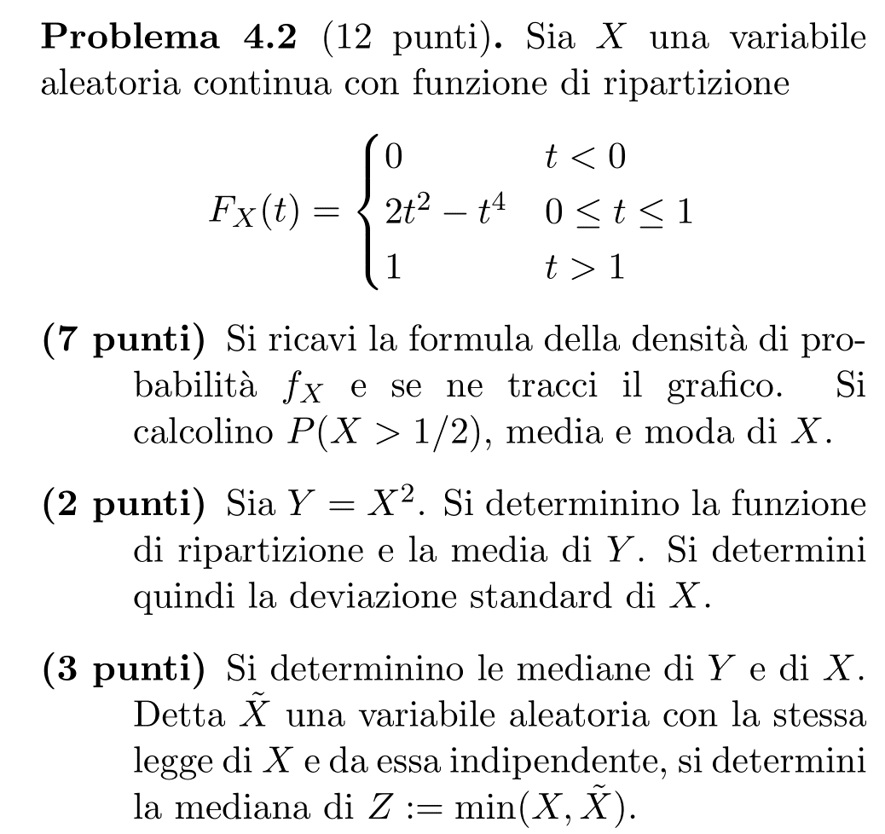
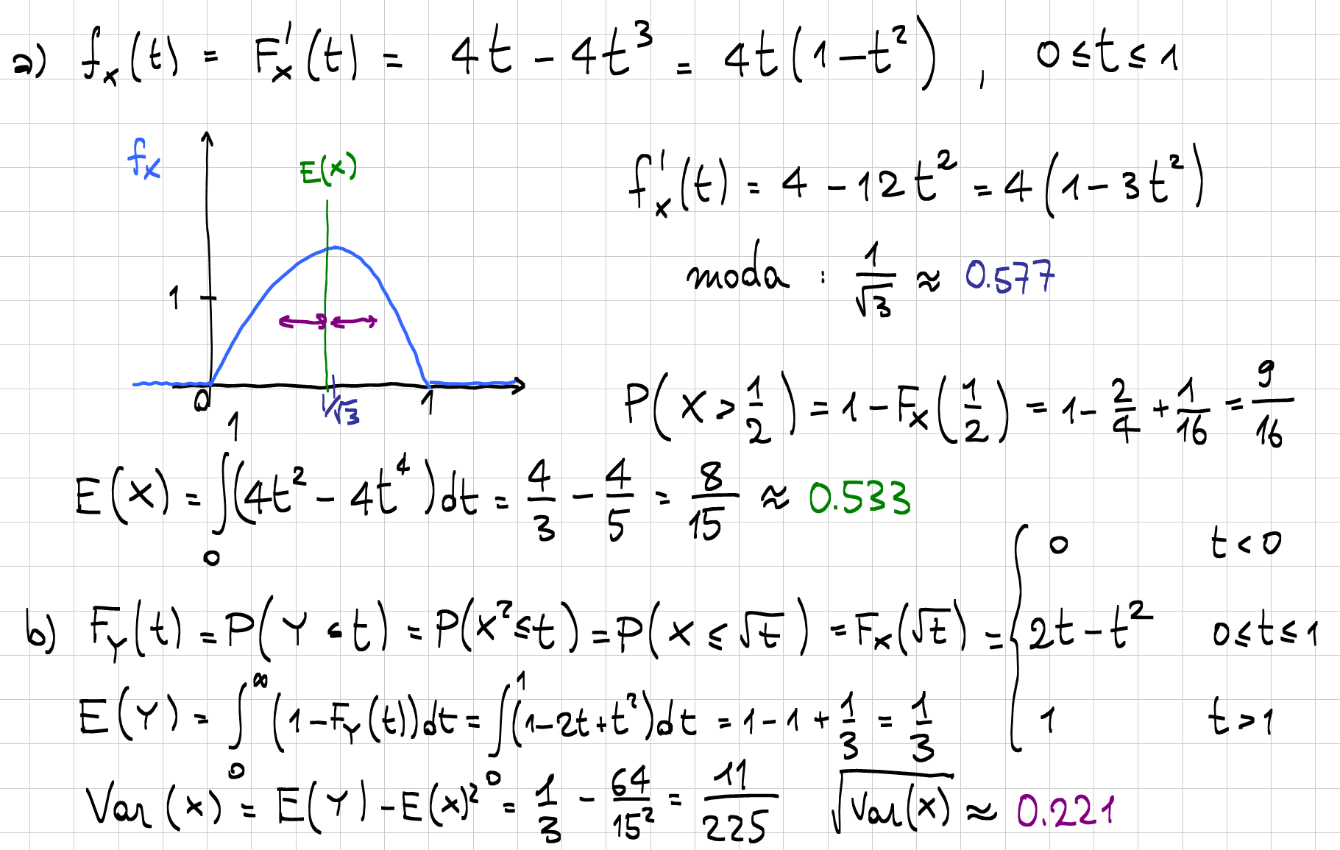
0.57735026919 | moda
0.53333333333 | media

0.22110831936 | dev std

0.29289321881 | mediana Y
0.54119610015 | mediana X
0.39887790707 | mediana Z

4.3
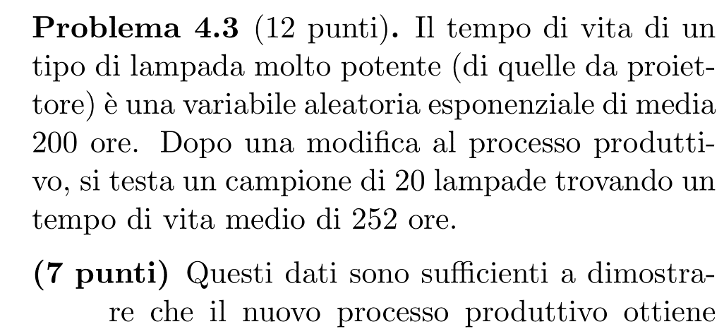
200 | μ0, AQL
20 | n
252 | X bar

H1: μ>μ0

40 | gdl
50.4 | stat
0.1254658676 | p-value

98% | conf
22.164261253 | a
63.690739752 | b

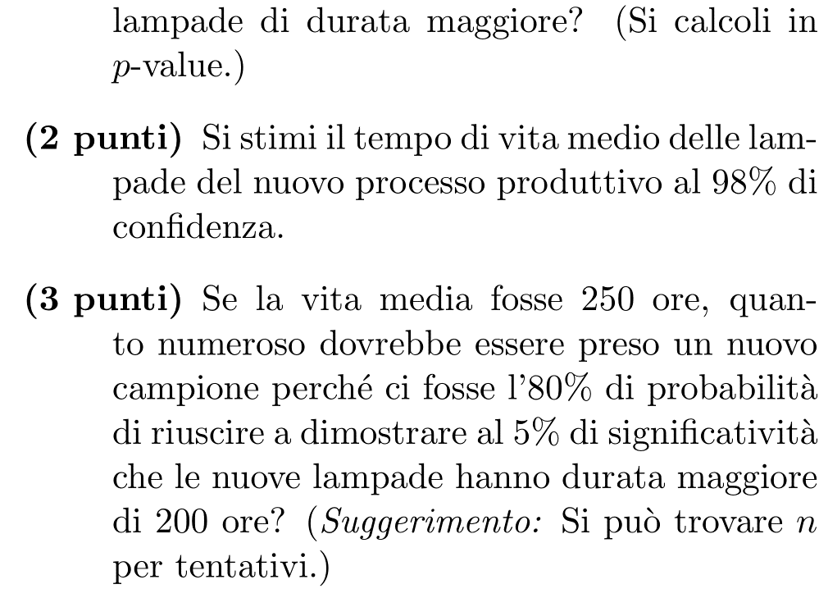
158.26476564 | LCL
454.78619319 | UCL

250 | μ1
80% | potenza
5% | α

n | b(n)
20 | 55.758479279 | 0.28418706997
40 | 101.87947397 | 0.43219607422
80 | 190.51645651 | 0.65305592273
120 | 277.13764954 | 0.7957069443
121 | 279.28764426 | 0.79847592048
122 | 281.43701918 | 0.80121099335
130 | 298.61058848 | 0.82191154996

4.4
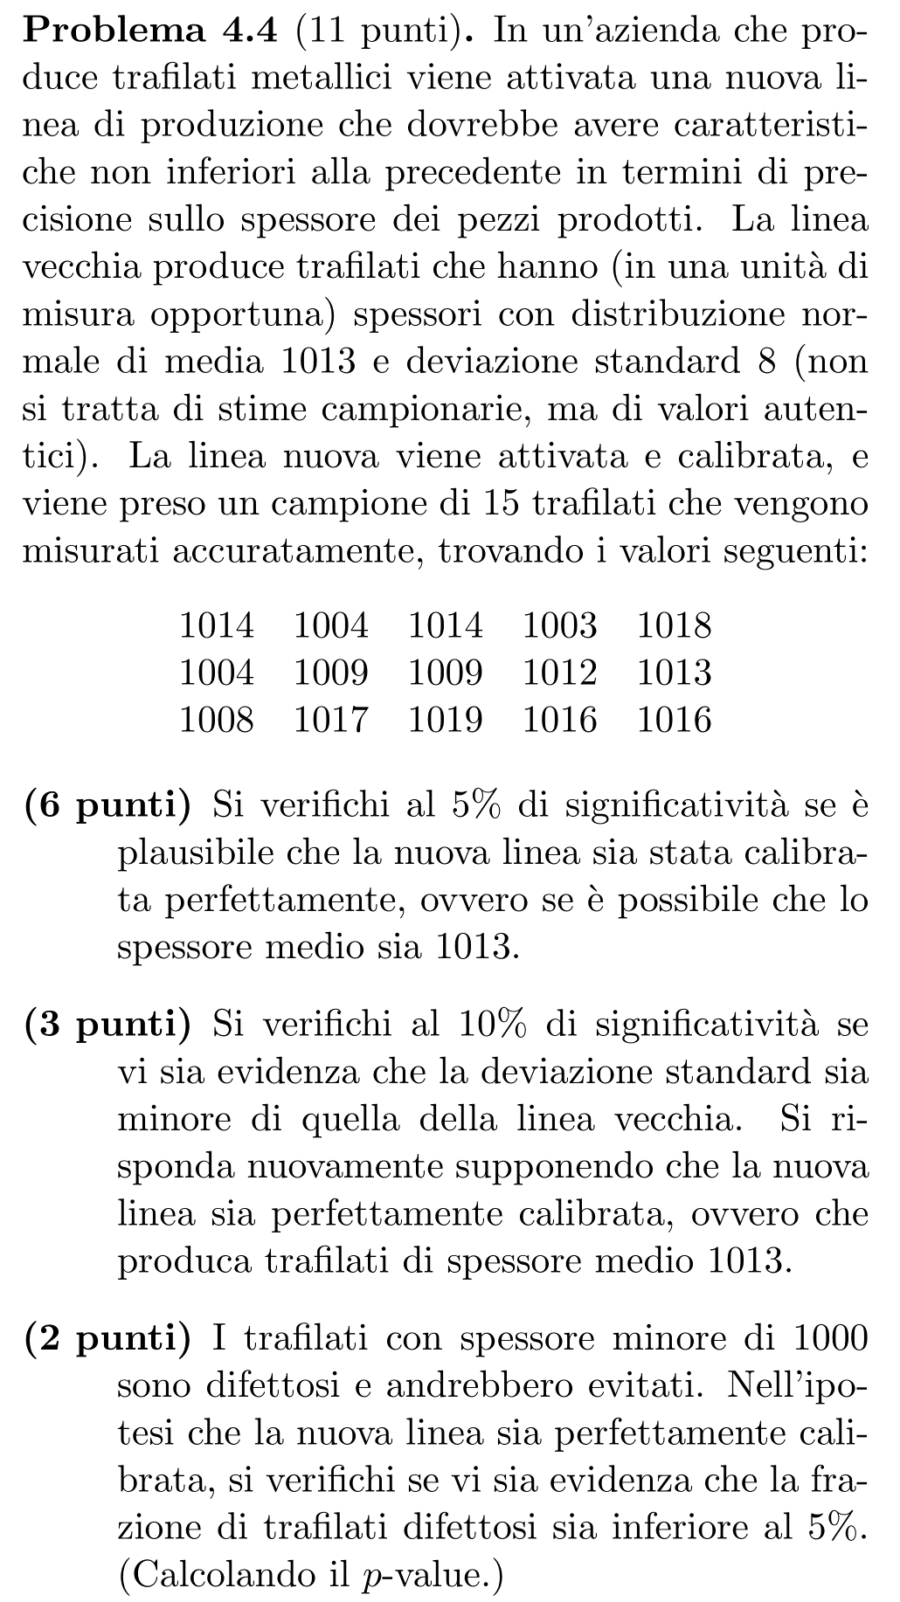
1014
1004
1014
1003
1018
1004
1009
1009
1012
1013
1008
1017
1019
1016
1016

15 | n
14 | gdl
1011.7333333 | avg
5.2977982848 | stdev
28.066666667 | var
392.93333333 | ss

1013 | μ0, AQL
5% | α

-0.92600333977 | stat
2.1447866879 | q
0.37013235095 | p-value
dico H0

8 | σ0, AQL
10% | α
H1: σ<σ0

6.1395833333 | stat
7.7895336098 | a
0.037150384941 | p-value
dico H1

27.8 | var* | 5.2725705306
6.515625 | stat*
8.5467562417 | a*
dico H1

1000 | LSL
5% | p0
7.9034388149 | σ0
H1: p<p0 ≡ σ<σ0

6.6758084045 | stat*
0.033970461408 | p-value

